Example
Sample Route - Astoria and Long Island City, Queens, NYC, USA
 | Cycling | Walking | Public Transit | Driving | Rationale/Notes
Traffic speed | 3 | 1 | 3 | 4 | The speed limit is 25mph (40kph), but motorized vehicles generally flow a little faster outside of peak traffic hours. This is above normal cycling speed, and far above walking speed.
Parking | 1 | 4 | 4 | 3 | Car parking is available along the route on one side of the road. Bike parking is almost non-existent. Walking and public transit do not need parking.
Land use | 2 | 2 | 2 | 3 | The corridor is a mostly industrial area, but has several waterfront parks that make walking and cycling more attractive. There is some density, but few destinations on the route.
Motor vehicle capacity | 2 | 2 | 2 | 3 | This is a through street for motor traffic intended to move significant traffic, but there is only 1 motor vehicle travel lane in each direction.
Motor vehicle volumes | 2 | 2 | 2 | 3 | High motor vehicle volumes are mitigated with a separate bike path on the majority of the route and footpaths that also have sufficient separation. Buses get stuck in traffic in peak periods.
Cost incentives | 1 | 1 | 3 | 4 | Car parking is cheap, and public transit subsidized. On a societal level, little incentives are available for walking and cycling.
Topgraphy | 4 | 4 | 4 | 4 | The route is largely flat.
Time | 3 | 1 | 2 | 4 | Walking to destinations is impractical time-wise on this route. Public transit is not frequent. Cycling is efficient, but driving is faster.
Behavior | 1 | 2 | 2 | 4 | All road users yield to cars and trucks, which regularly park on the bike path and sidewalk. Pedestrians are more recognized than people cycling.
Street environment | 2 | 2 | 3 | 3 | One side of the street facade is industrial with little social activity, while the other alternates between industrial and waterfront parks, the latter of which cycling and walking are better suited to.
Surface quality | 1 | 2 | 2 | 2 | Potholes affect all modes on this route. Cycling in particular feels this poor quality more, and bike paths are not sufficiently cleared of snow in winter months.
Total | 22 | 23 | 29 | 37
Average | 2.0 | 2.1 | 2.6 | 3.4

KEY
How is this mode positioned for each criterion on this route?
Very Favorably | 4
Favorably | 3
Somewhat Unfavorably | 2
Very Unfavorably | 1

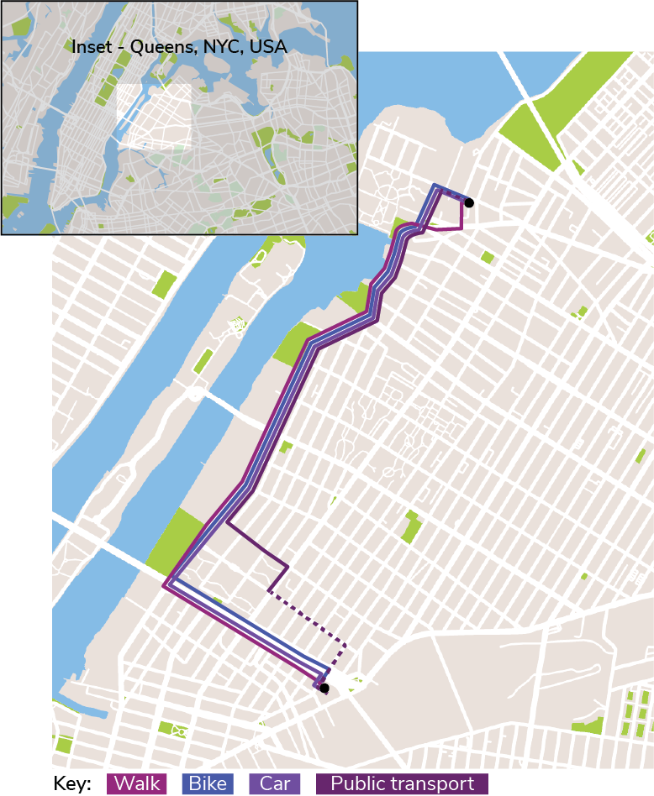
Reference: Route location |  |  |  |  |  | Results + Synthesis:
 |  |  |  |  |  | Cycling rates lowest in parking, cost incentives, behavior and surface quality. Its strongest competitive points on this route are traffic speed, topography, and time. For every criterion except parking, driving scores the highest (or ties for the highest) of all modes.
 |  |  |  |  |  | This analysis comes after an upgrade of a partially protected two-way on-street bike path on the majority of the route. This path has improved mitigated negative impacts of motor vehicle capacity and volumes, and of the street environment, but only partially.
 |  |  |  |  |  | Most people generally drive or take the bus on this route, unless they are going to the waterfront parks (which are the strongest points for cycling and walking).
 |  |  |  |  |  | Especially stark differences in competitive position between cycling and driving on this route come in cost incentives and behavior. These are more systemic factors and may shift incrementally together with other factors.
 |  |  |  |  |  | For example, a reduction in motor vehicle volume and speed is a starting point to enable more people to feel comfortable cycling, and build more tolerant road user behavior towards cycling when their presence is normalized.

